Conso(Net Debt-EBITDA)
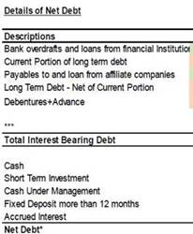

Calculation Net Debt / EBITDA |  | Dec'21 | Jan'22 | Feb'22 | Mar'22 | Apr'22 | May'22 | Jun'22 | Jul'22 | Aug'22 | Sep'22 | Oct'22 | Nov'22 | Dec'22 | Q1 | Q2 | Q3 | Q4 | H1 | H2 | Year
Bank OD |  | 0 | 0 |  |  |  |  |  | 9 | 0 | 0 | 0 | 0 | 0 | 0 | 0 | 0 | 0 | 0 | 0 | 0
Short-term borrowings from financial institutions |  | 12,642 | 12,954 | 13,092 | 14,187 | 16,014 | 15,473 | 15,374 | 16,179 | 15,500 | 14,577 | 14,148 | 12,725 | 12,079 | 14,187 | 15,374 | 14,577 | 12,079 | 15,374 | 12,079 | 12,079
Promissory notes from financial institutions |  | 17,905 | 16,499 | 7,968 | 7,078 | 7,875 | 7,345 | 7,091 | 10,474 | 8,208 | 6,921 | 6,716 | 6,250 | 4,076 | 7,078 | 7,091 | 6,921 | 4,076 | 7,091 | 4,076 | 4,076
LT-Debt - Net of Current Portion |  | 1,865 | 1,779 | 1,712 | 1,684 | 1,693 | 1,660 | 1,637 | 1,701 | 1,677 | 1,716 | 1,707 | 1,591 | 1,571 | 1,684 | 1,637 | 1,716 | 1,571 | 1,637 | 1,571 | 1,571
Current portion of lease liabilities |  | 477 | 484 | 474 | 482 | 475 | 479 | 486 | 501 | 516 | 602 | 618 | 579 | 587 | 482 | 486 | 602 | 587 | 486 | 587 | 587
Short-term borrowings |  | 0 | 0 | 0 | 0 | 0 | 0 | 0 | 0 | 0 | (0) | 0 | 0 | 0 | 0 | 0 | (0) | 0 | 0 | 0 | 0
Long-term borrowings |  | 16,671 | 16,363 | 16,170 | 16,055 | 15,937 | 15,591 | 15,613 | 15,375 | 15,322 | 15,334 | 15,036 | 14,664 | 14,451 | 16,055 | 15,613 | 15,334 | 14,451 | 15,613 | 14,451 | 14,451
Debenture |  | 5,493 | 5,493 | 5,493 | 5,494 | 5,494 | 5,494 | 5,494 | 5,494 | 10,489 | 10,488 | 10,489 | 10,489 | 15,485 | 5,494 | 5,494 | 10,488 | 15,485 | 5,494 | 15,485 | 15,485
Lease Liabilities |  | 1,718 | 1,696 | 1,638 | 1,639 | 1,642 | 1,667 | 1,660 | 1,736 | 1,713 | 2,009 | 1,974 | 1,948 | 1,921 | 1,639 | 1,660 | 2,009 | 1,921 | 1,660 | 1,921 | 1,921
Total Debt |  | 56,771 | 55,268 | 46,548 | 46,619 | 49,131 | 47,707 | 47,356 | 51,470 | 53,425 | 51,647 | 50,687 | 48,247 | 50,169 | 46,619 | 47,356 | 51,647 | 50,169 | 47,356 | 50,169 | 50,169
Cash under management |  | (20,242) | (18,684) | (11,077) | (11,089) | (10,796) | (10,225) | (11,015) | (8,420) | (10,962) | (10,171) | (10,094) | (10,303) | (12,347) | (11,089) | (11,015) | (10,171) | (12,347) | (11,015) | (12,347) | (12,347)
 |  |  |  |  |  |  |  |  |  |  |  |  |  |  | 0 | 0 | 0 | 0 | 0 | 0 | 0
Net Debt | A | 36,529 | 36,584 | 35,471 | 35,531 | 38,335 | 37,483 | 36,341 | 43,050 | 42,462 | 41,476 | 40,593 | 37,944 | 37,822 | 35,531 | 36,341 | 41,476 | 37,822 | 36,341 | 37,822 | 37,822

EBITDA 2021 |  |  | 1,672 | 1,659 | 2,062 | 1,873 | 1,836 | 1,775 | 1,857 | 1,490 | 1,317 | 1,672 | 1,636 | 1,351 | 5,393 | 5,484 | 4,665 | 4,660 | 10,876 | 9,325 | 20,201
EBITDA 2022 |  |  | 1,725 | 1,396 | 1,899 | 1,819 | 1,707 | 1,857 | 1,811 | 1,273 | 1,842 | 1,426 | 1,319 | 723 | 5,020 | 5,383 | 4,926 | 3,468 | 10,403 | 8,394 | 18,797
EBITDA for calculation | B | 20,201 | 20,254 | 19,992 | 19,828 | 19,774 | 19,645 | 19,728 | 19,682 | 19,465 | 19,989 | 19,743 | 19,426 | 18,797 | 19,828 | 19,728 | 19,989 | 18,797 | 19,728 | 18,797 | 18,797
Net Debt / EBITDA | A/B | 1.81 | 1.81 | 1.77 | 1.79 | 1.94 | 1.91 | 1.84 | 2.19 | 2.18 | 2.07 | 2.06 | 1.95 | 2.01 | 1.79 | 1.84 | 2.07 | 2.01 | 1.84 | 2.01 | 2.01
Net Debt / EBITDA (PLAN) |  |  | 1.75 | 1.69 | 1.73 | 2.21 | 2.16 | 2.42 | 2.47 | 2.37 | 2.26 | 2.27 | 2.11 | 2.08 | 1.73 | 2.42 | 2.26 | 2.08 | 2.42 | 2.08 | 2.08

BS
Financial Position |  |  |  |  |  | Last Y | 1
 |  |  |  |  |  | Last Q | 3
Dec 2021 |  | Sep 2022 |  | Dec 2022 |  | Current Q | 4
Cash | Loans | Cash | Loans | Cash | Loans
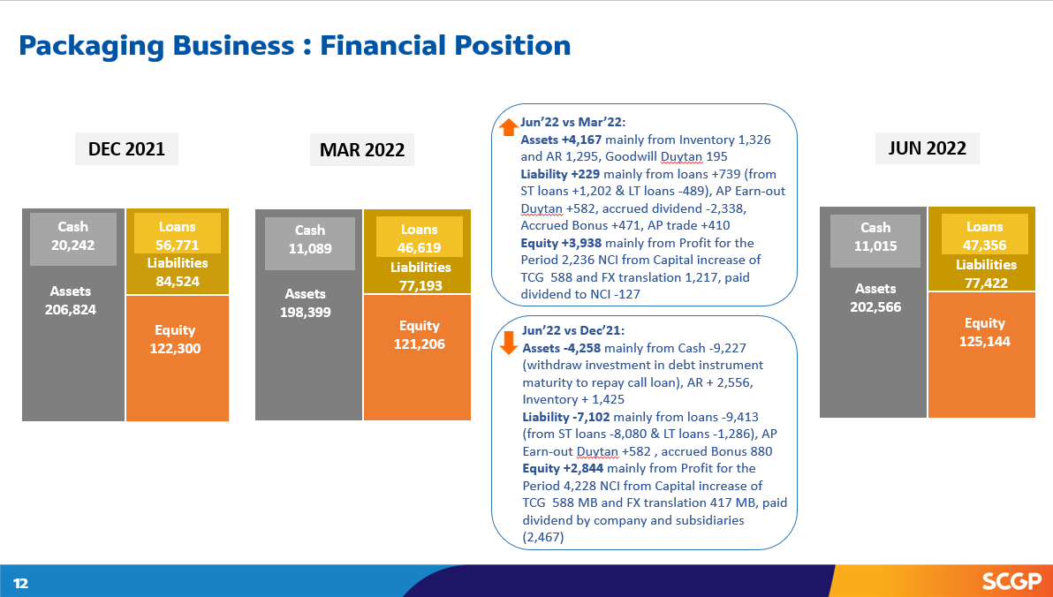
20,242 | 56,771 | 10,171 | 51,647 | 12,347 | 50,169

Assets | Liabilities | Assets | Liabilities | Assets | Liabilities
206,824 | 84,524 | 208,227 | 78,981 | 197,280 | 74,313

 | Equity |  | Equity |  | Equity
 | 122,300 |  | 129,246 |  | 122,967

Change Current Quarter vs. Dec'21
 |  |  |  | Dec 2022
 |  |  |  | Cash | Loans
 |  |  |  | -7,895 | -6,602

 |  |  |  | Assets | Liabilities
 |  |  |  | -9,544 | -10,211

 |  |  |  |  | Equity
 |  |  |  |  | 667

